F02
Speaker: F02 | Intelligibility: Low | Speech Vision Accuracy: 67.02

Model Name | Layers Frozen | Accuracy | Loss graph | Training accuracy graph
F03_E1.h5 | Encoder 1 | 47 |  | 

F03_E12.h5 | Encoder 12 | 45 |  | 

F03_E123 | Encoder 123 | 47 |  | 

F03_E1234 | Encode 1234 | 43 |  | 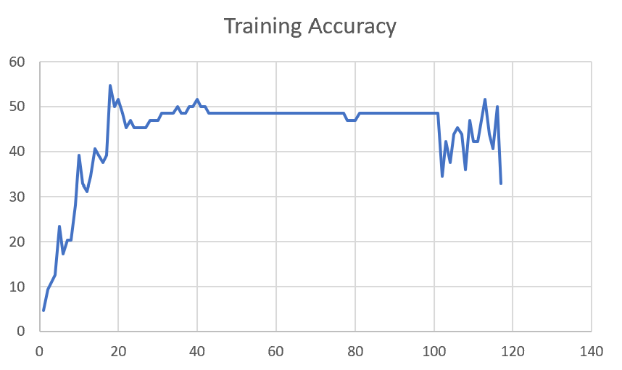

F03_E12345 | Encode 12345 | 41 | 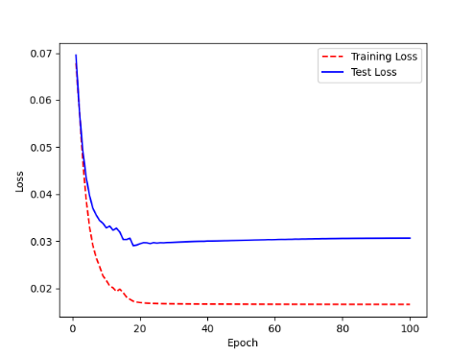 | 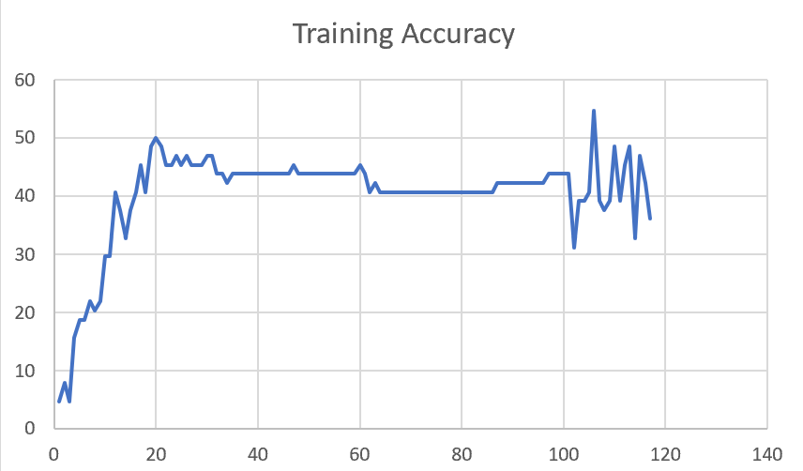

F03_t3 | Token Embeddings | 52 | 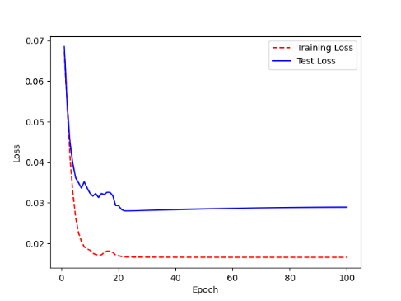 | 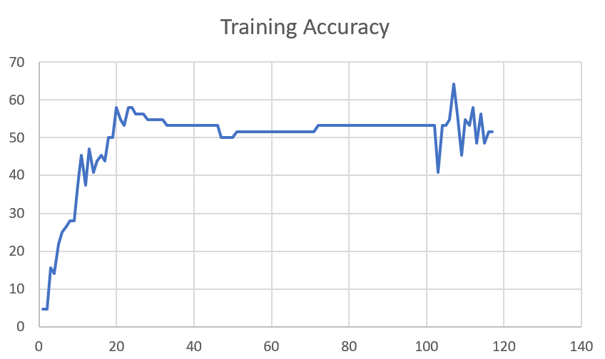

F03_T3+D123 | Token Embeddings + Decoder 123 | 45 | 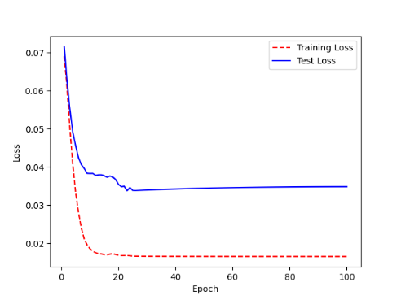 | 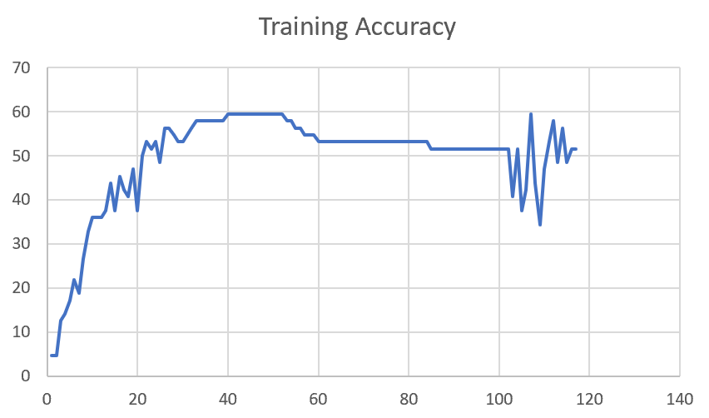

F03_T3+D12 | Token Embeddings + Decoder 12

F03_T3+D1 | Token Embeddings + Decoder 1

F03_Dense | Dense

Sheet1
 |  |  | Training Accuracy
0 | 0.953125 | 1 | 4.6875
0 | 0.953125 | 1 | 4.6875
1 | 0.875 | 2 | 12.5
2 | 0.859375 | 3 | 14.0625
3 | 0.828125 | 4 | 17.1875
4 | 0.78125 | 5 | 21.875
5 | 0.8125 | 6 | 18.75
6 | 0.734375 | 7 | 26.5625
7 | 0.671875 | 8 | 32.8125
8 | 0.640625 | 9 | 35.9375
9 | 0.640625 | 10 | 35.9375
10 | 0.640625 | 11 | 35.9375
11 | 0.625 | 12 | 37.5
12 | 0.5625 | 13 | 43.75
13 | 0.625 | 14 | 37.5
14 | 0.546875 | 15 | 45.3125
15 | 0.578125 | 16 | 42.1875
16 | 0.59375 | 17 | 40.625
17 | 0.53125 | 18 | 46.875
18 | 0.625 | 19 | 37.5
19 | 0.5 | 20 | 50
20 | 0.46875 | 21 | 53.125
21 | 0.484375 | 22 | 51.5625
22 | 0.46875 | 23 | 53.125
23 | 0.515625 | 24 | 48.4375
24 | 0.4375 | 25 | 56.25
25 | 0.4375 | 26 | 56.25
26 | 0.453125 | 27 | 54.6875
27 | 0.46875 | 28 | 53.125
28 | 0.46875 | 29 | 53.125
29 | 0.453125 | 30 | 54.6875
30 | 0.4375 | 31 | 56.25
31 | 0.421875 | 32 | 57.8125
32 | 0.421875 | 33 | 57.8125
33 | 0.421875 | 34 | 57.8125
34 | 0.421875 | 35 | 57.8125
35 | 0.421875 | 36 | 57.8125
36 | 0.421875 | 37 | 57.8125
37 | 0.421875 | 38 | 57.8125
38 | 0.40625 | 39 | 59.375
39 | 0.40625 | 40 | 59.375
40 | 0.40625 | 41 | 59.375
41 | 0.40625 | 42 | 59.375
42 | 0.40625 | 43 | 59.375
43 | 0.40625 | 44 | 59.375
44 | 0.40625 | 45 | 59.375
45 | 0.40625 | 46 | 59.375
46 | 0.40625 | 47 | 59.375
47 | 0.40625 | 48 | 59.375
48 | 0.40625 | 49 | 59.375
49 | 0.40625 | 50 | 59.375
50 | 0.40625 | 51 | 59.375
51 | 0.421875 | 52 | 57.8125
52 | 0.421875 | 53 | 57.8125
53 | 0.4375 | 54 | 56.25
54 | 0.4375 | 55 | 56.25
55 | 0.453125 | 56 | 54.6875
56 | 0.453125 | 57 | 54.6875
57 | 0.453125 | 58 | 54.6875
58 | 0.46875 | 59 | 53.125
59 | 0.46875 | 60 | 53.125
60 | 0.46875 | 61 | 53.125
61 | 0.46875 | 62 | 53.125
62 | 0.46875 | 63 | 53.125
63 | 0.46875 | 64 | 53.125
64 | 0.46875 | 65 | 53.125
65 | 0.46875 | 66 | 53.125
66 | 0.46875 | 67 | 53.125
67 | 0.46875 | 68 | 53.125
68 | 0.46875 | 69 | 53.125
69 | 0.46875 | 70 | 53.125
70 | 0.46875 | 71 | 53.125
71 | 0.46875 | 72 | 53.125
72 | 0.46875 | 73 | 53.125
73 | 0.46875 | 74 | 53.125
74 | 0.46875 | 75 | 53.125
75 | 0.46875 | 76 | 53.125
76 | 0.46875 | 77 | 53.125
77 | 0.46875 | 78 | 53.125
78 | 0.46875 | 79 | 53.125
79 | 0.46875 | 80 | 53.125
80 | 0.46875 | 81 | 53.125
81 | 0.46875 | 82 | 53.125
82 | 0.46875 | 83 | 53.125
83 | 0.484375 | 84 | 51.5625
84 | 0.484375 | 85 | 51.5625
85 | 0.484375 | 86 | 51.5625
86 | 0.484375 | 87 | 51.5625
87 | 0.484375 | 88 | 51.5625
88 | 0.484375 | 89 | 51.5625
89 | 0.484375 | 90 | 51.5625
90 | 0.484375 | 91 | 51.5625
91 | 0.484375 | 92 | 51.5625
92 | 0.484375 | 93 | 51.5625
93 | 0.484375 | 94 | 51.5625
94 | 0.484375 | 95 | 51.5625
95 | 0.484375 | 96 | 51.5625
96 | 0.484375 | 97 | 51.5625
97 | 0.484375 | 98 | 51.5625
98 | 0.484375 | 99 | 51.5625
99 | 0.484375 | 100 | 51.5625
<__main__.DisplayOutputs object at 0x7feb8c3febb0> | 0.484375 | #VALUE! | 51.5625
<__main__.DisplayOutputs object at 0x7feb8c3febb0> | 0.59375 | #VALUE! | 40.625
<__main__.DisplayOutputs object at 0x7feb8c3febb0> | 0.484375 | #VALUE! | 51.5625
<__main__.DisplayOutputs object at 0x7feb8c3febb0> | 0.625 | #VALUE! | 37.5
<__main__.DisplayOutputs object at 0x7feb8c3febb0> | 0.578125 | #VALUE! | 42.1875
<__main__.DisplayOutputs object at 0x7feb8c3febb0> | 0.40625 | #VALUE! | 59.375
<__main__.DisplayOutputs object at 0x7feb8c3febb0> | 0.5625 | #VALUE! | 43.75
<__main__.DisplayOutputs object at 0x7feb8c3febb0> | 0.65625 | #VALUE! | 34.375
<__main__.DisplayOutputs object at 0x7feb8c3febb0> | 0.53125 | #VALUE! | 46.875
<__main__.DisplayOutputs object at 0x7eff3012ee50> | 0.46875 | #VALUE! | 53.125
<__main__.DisplayOutputs object at 0x7eff3012ee50> | 0.421875 | #VALUE! | 57.8125
<__main__.DisplayOutputs object at 0x7eff3012ee50> | 0.515625 | #VALUE! | 48.4375
<__main__.DisplayOutputs object at 0x7eff3012ee50> | 0.4375 | #VALUE! | 56.25
<__main__.DisplayOutputs object at 0x7eff3012ee50> | 0.515625 | #VALUE! | 48.4375
<__main__.DisplayOutputs object at 0x7eff3012ee50> | 0.484375 | #VALUE! | 51.5625
<__main__.DisplayOutputs object at 0x7eff3012ee50> | 0.484375 | #VALUE! | 51.5625
<__main__.DisplayOutputs object at 0x7eff3012ee50> | 0.55737704918

